Sheet1
National FFA New Chapter Chartering Form
Required Fields in RED

School Name:
Physical/Mailing Address:
City: |  |  |  | State: | MI | Zip:
School Phone: |  |  | Fax Number:

Official Chapter Name:
Program Type:
School Type:
Region:
Class Schedule Type:
 | Ag Ed Taught In:
 |  | (Select all grades in which school based Ag Education is taught)

Advisor's Name:
Advisor's E-mail Address:
Advisor's Direct Phone:

Participating in Affiliate Dues? |  | YES
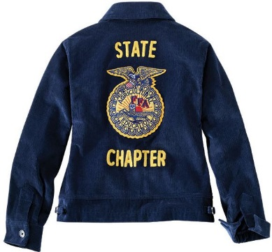
Official FFA Jacket Information
List the the chapter name (which will be below the emblem)
Jacket Back - State Line 1: |  | Michigan
Jacket Back - Chapter Name Line 2:
Jacket Back - Chapter Name Line 3:

Email Completed form to sidel@msu.edu

